Cover
COVID-19 Risk Assessment Template for Service Providers

Version 1.0
Date Last Updated: 18 Nov 2021

Purpose

This Risk Assessment Template (RA Template) has been developed to assist DCJ Service Providers identify and manage COVID-19 risks and apply risk management principles. The RA Template is a living document and can be updated as actions are completed and if the risk continues. The RA Template should be completed every 6-12 months or sooner if there are significant changes to Public Health Orders to reflect the need for any strengthening or lessening of risk management controls. The RA Template should be completed in consultation with the:
DCJ COVID-19 Management Plans Guidance
COVID-19 Management and Vaccination Policy for DCJ Service Provider
If you have already completed a Risk Assessment AND you have met the checklist requirements in the Guidance (page 72), you DO NOT need to complete another document. This template is OPTIONAL and other risk assessment tools can be used depending on your preference. Instead, review your existing documents to ensure they include considerations specifically about COVID-19 risks that might arise when providing services.
The COVID-19 management and vaccination policy for DCJ service providers requires that a risk assessment for each service setting is completed.
Steps

(i) Fill out the information at the top of the RA Template (tab 2) (ii) Complete the template using information provided in the Instructions tab (tab 1), as well using using the relevant sections in DCJ's Guidance document (iii) A manager should review and endorse the RA Template after it has been completed, and the WHS Officer (or provider equivalent) should keep a record of all approved RA Templates, to be presented if an authorised person asks them to do so (iv) Act on the agreed controls and revise the document as appropriate, noting the requirement at (iii) to store the document.

Contents

Tab | Description
Cover | Explains the purpose of guide and how to complete a COVID-19 Risk Assessment
1. Instructions | Provides information on how to populate the risk assessment template, examples of "service settings", "activities", "operating environments", "workers", 'clients", and how to use a risk matrix
2. COVID 19 Risk Assessment Template | Consider sources of COVID-19 Incident risk and mitigating controls. Record actions and residual risk following control implementation.
3. Examples | Examples of risks that have been assessed across various program areas

Key Definitions

Term | Definition
Activities | All tasks performed by a worker at a service setting (including services performed for clients).
Client | The term clients is used to describe any individual, group, child or young person to whom services or programs contracted by DCJ are made available. The term clients used in the COVID-19 management and vaccination policy for DCJ service providers includes but is not limited to offenders, people with a disability, children or young persons, their families, tenants and their households, or members of the public.
Controls | Any step taken to reduce the likelihood and severity of COVID-19 transmission
COVID-19 incident | A suspected and/or confirmed case of COVID-19.
DCJ | The New South Wales Department of Communities and Justice
Operating environment | The method of delivering services for clients. This may be face to face, remotely, provision of residential accommodation.
Service provider (provider) | Service providers are organisations that receive funding from DCJ to deliver services on behalf of DCJ to clients, and registered community housing providers that receive assistance from DCJ via a community housing agreement as per the community housing providers (adoption of National Law Act 2012 no 59 (NSW). It also includes workers of the service provider. For the purposes of this policy, the service provider does not include organisations that only receive grant(s) from DCJ.
Service setting | The physical workplace where activities are performed.
Services | Tasks performed by a worker at a service setting specifically delivered to client benefit.
Worker | A person is considered a worker if the person carries out work (either paid or unpaid) in any capacity for the service provider. The term includes employees, contractors, sub-contractors, consultants, volunteers and students (including apprentices, trainees, and those on work experience).

Note: NCOSS’ COVID-19 Vax Risk Assessment Toolkit served as an important reference in the development of this template. Please refer to the DCJ COVID-19 Management Plans Guidance for more information and resources.

1. Instructions
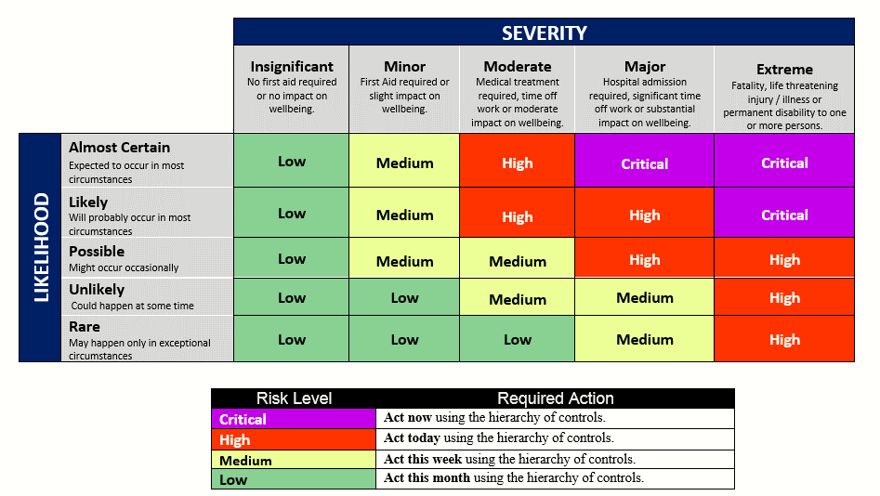
Figure 1.1 Flowchart for completing a COVID-19 Risk Assessment
1. Instructions

1. Workplace setting
Where is your service delivered?
Each place of work will require an individual assessment.
2. Tasks
Activities: What does your service do?
Operating Environment: How is your service delivered?
Workers: Who delivers your service?
Clients: Who receives your service?
3. Risk Factors
Service Setting: How might this workplace increase the risk of COVID-19 Incidents?
Workers: How might your workers increase the risk of COVID-19 Incidents?
Clients: How might your clients increase the risk of COVID-19 Incidents?
Existing Controls: What controls are currently in place to reduce the risk of COVID-19 Incidents?
Are there any other features of these activities that might increase the risk of COVID-19 Incidents?
4. Risk rating
Likelihood: What is the likelihood of a COVID-19 incident?
Severity: What is consequence of a COVID-19 incident?
Overall: What is the level and urgency of COVID-19 incident risk?
5. Risk controls
Operating environment: Considering this level of risk, what controls are needed?
Workers: What controls can be used for your workers, considering the type of worker?
Clients: What controls can be used for your clients considering the vulnerability of their client group?
Impacts: What are the potential impacts of your controls on your workers and clients you work with?
Are there any other features of these activities that may require additional risk controls?
6. Agreed actions
What are the agreed actions?
Who will undertake the actions and when?
7. Measuring effectiveness of risk controls
How effective has this risk control been?
Is there anything more you need to do to control this risk? By when?
The DCJ policy states that a risk assessment should be developed for each service setting. The risk assessments for each service setting can be included in the same risk assessment document. Examples are included on tab 3. 1. Answer the questions in the flowchart This flowchart (Figure 1.1 Flowchart for completing a COVID-19 Risk Assessment) has been developed to help you (service providers) think about the COVID-19 related risks that could arise when providing services, and how you can plan to mitigate the risk. Each question in the flowchart is a prompt, and not all questions need to be answered to complete the risk assessment. However, in answering the questions, they may lead you to think about additional ways risks might arise, affect your workers and clients, or how to mitigate them. Key definitions are included in the first tab of this document, and included below are examples that can be used when filling out the risk assessment template. It's important to note that these listed examples are not exhaustive.

Figure 1.2 Example service settings, activities, operating environments, workers, clients

Service Setting (Workplace) | Activities (Examples) | Operating Environment | Workers | Clients (Population Cohorts)
Neighbourhood Centres, youth centres Accommodation Childcare locations Offices Outreach settings (for example outdoors, parks, schools) Public settings (for example, libraries, shopping centres) Kitchen/break rooms Outdoor play areas, decks Hospitality and other event venues | Community events, public forums Personal care Food and drink preparation Eating and drinking Cleaning Property maintenance Transporting people from home to service Handling laundry Sharing equipment Administration Internal Provider Meetings | Face to face (in Provider Premises) Shared Spaces (in Provider Premises) Face to face (in External Premises) Remote (phone, video) Residential accommodation | Staff (Permanent / Part-time / Casual / Contractors / Subcontractors) Volunteers Students | First Nations people People experiencing, or at risk of domestic and/or family violence People from CALD backgrounds Children and families Young people People experiencing homelessness People being supported by early intervention services People with disabilities People with chronic conditions People experiencing issues with mental health and/or other drugs Older people

2. Use the DCJ COVID-19 Management Plans Guidance for risk and control considerations for different operating environments, workers and clients The DCJ COVID-19 Management Plans Guidance document may help you to structure your thinking about specific considerations when developing a risk assessment. It is important to consider the specific services your workers provide to your clients, and the operating environment in which this takes place.

3. Assigning a risk rating At step 4 of the flowchart, you are asked to assign a risk rating to your risk. A risk matrix tool uses your assessment of the likelihood of an incident occurring and the severity of an incident occuring to provide a risk rating. The higher the risk rating, the more immediate your response to this risk should be. Risk of exposure to COVID-19 will generally be associated with high levels of severity.

