COVID 19 Instructions
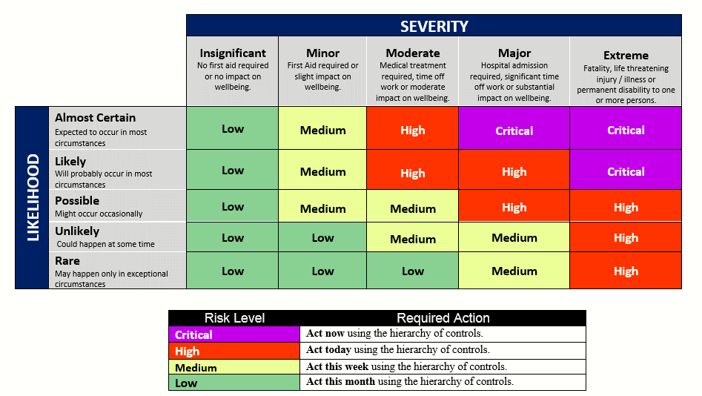
Risk Assessment Tool
The DCJ COVID-19 Risk Assessment Tool (RAT), has been developed to assist workers and managers to identify and manage COVID-19 risks and apply risk management principles. It adapts the usual RAT and provides pre-populated fields to incorporate common risks and challenges.
The RAT is a living document and can be updated as actions are completed and if the risk continues. On each occasion that a worker is to be required to work with a client who is known to be positive to COVID-19 or there is high suspicion of someone in the household being positive to COVID-19, the RAT is to be completed.
It is to be stored by the appropriate WHS Officer and a copy maintained in the records of the local office that the worker is usually attached to.
The risk assessment ratings in the template refer to the DCJ risk matrix for WHS.
To complete the tool please do the following:
(1) select the appropriate tab
(2) insert identifying information at the top of the document
(3) read through the hazards, controls and actions and adopt as appropriate noting the minimum requirements for 'known positive cases'
(4) the worker is to complete the document, the manager is to consider and endorse and the WHS Officer is to retain a record of all approved RATs
(5) complete actions and revise the document as appropriate, noting the requirement at (4) to store the document.

